Routine description
Notes from ORYZA Phenology Components
 | direct versus transplanted | model was originally developed for tropical and transplanted rice system so direct-seeded varieties not as well studied with ORYZA
 |  | as I understand, germination after sowing is not seeded; an input for emergence is used as well as initial rice dry weights/LAI at this stage
 |  | this is true for transplanting date also
 |  | in Initials:
 |  |  | if direct sown, we put Emergence and Transplanting date equal to each other, and set ESTAB to 1
 |  |  | if transplant, we provide separate dates for emergence and transplanting and set ESTAB to 0
 |  |  | if transplant we need to know # days in seedbed from emergence to transplant date, right now it is the SBDUR vlaue but we should eventually just calculate as transplant date - emerge date in the Intiials file
 |  | values for dru weight and leaf area at either emergence or transplanting are provided also in the initials file(LAPE through ZRTIS), currently line 38

 | seedbed | this is the local soil environment in which seeds are planted. can include soil and coldframe, hotbed, or raised bed, frequently in controlled environment; these seedlings can then be transplanted. seeding
 |  | seeding bed increases the number of seeds that germinate
 | seedling age | associated with transplant shock effects on phenological development
 |  | shock is simulated as lack of developmental progress which is estimated for a certain number of degreedays post transplanting
 |  | older seedlings (DD) have higher transplant shock

 | phenological phases | these are described with DVS from 0 to 2 including basic veg phase, photoperiod phase, panicle initiation (at 0.65), panicle formation phase (first flowering at DVS 1) and grain filling from 1 to DVS 2 at maturity
 |  | each phase has 4 different T based rate constants that are varietal specific
 |  | there are also cardinal temperatures that influence this response
 |  | DVS | stage
 |  | 0 | sowing
 |  | 0.4 | start of photoperiod sensitive phase
 |  | 0.65 | panicle initiation
 |  | 1 | first flower/ panicle formaation
 |  | >1 | grainfilling starts

 |  | rate constants for each phase are cultivar specific
 |  | shorter photoperiods result in longer photoperiod sensitive stage

 |  | transplanted rice can cause delay in phenological development as a function of age of seedlings at transplant, this is derived as a degree day shock during which no development occurs
 |  |  |  | linear relationship between seedling age at transpanting (in DD) and the transplant shock duratoin (n DD)

 | seed density | for direct sown, there are parameters for # plants sown per m-2 (NPLDS) and # of hills and plants per hill. I view plant senity as # hills * plants per hill (NHH, NPLH), can reviist. For now thi s is similar to Poprow and RowSP

 |  | for transplant the seed density is different in seedbed that it will be when transplanted. seedbed density is the NPLSB value; after transplanting it will be the NPLH * NHH values as above

 | grain formation | a two pronged approach is used. Starting at DVS 0.65, the total number of potential spikelets which can form are calculated each time-step. This is based on two variety parameters for potential spikelet number and spikelet max and assimilate supply rate
 |  | starting at DVS 0.95, we start computing the number of these spikelets which are fertilized. This is influenced by cold and heat stress, assimilate supply, and spikelet growth rate. At DVS 1, no new spikelets are forming
 |  |  | We are using the SUBGRN5 ORYZA routine as a base (most recent and what sanai utilized)

 |  | there can be a feedback mechanism when assimilates accumulate in the leaves faster than grain fill rate (based on # of grains and max growth rate of grains)

 | grainfill temperature stresses | low and high temperature can result in either spikelet sterility or unfilled grains (is there a difference?) which basically is simulated as a reduced number of spikelets which are formed and fertilized. ORYZA uses 5 different options to simulate these, Sanai used a SWIHEAT =4 options which was new. This includes for high heat a slope of the T response that can change based on variety and extent to which T exceeds a critical threshold value
 |  | there were oriignally 5 opstions to simulate cold sterility nand 3 options to simulate heat sterility
 |  |  | Sanai used SWICOLD = 1 and SWIHEAT = 4

 | gas exchange | Sanai's version replaces the original leaf photosynthesis routines with the gas exchange energy balance method. I've since replaced this with the gas.exchange DLL which is used by all ACSL models
 |  | Sanai's version however allows for developmentally linked changes in Jmax, Vcmax, TPU, G0, and g1 which I've since implemented
 |  | Currently I am using the sunlit/shaded approach as in our other ACSL models, although Sanai kept utilizing the ORYZA original 3 layer model. I may want to consider this…
 |  |  | ORYZA also uses light extinction coefficients that change with DVS and N distribution
 |  |  | I shoud look at using these

 | nonlinear T resposne | Sanai used a beta function approach to replace the look up tables. I have implemented this in the growth based temperatue based responses in the temperature_function subroutines

 | organ growth | current assimilate is partitioned into leaf, stem, root, stemreserves and storage (for panicle) each time step
 |  | age dependent part. coefficient is computed for shoot, and the rest is allocated to root
 |  | among shoot organs, there are different coefficients for leaf, stem, and storage which are also functions of age
 |  |  | not clear, but ORYZA appears to use "roughrice and "panicle" interchangably
 |  | potential organ growth can be reduced by transplant shock
 |  | after flowering occurs (DVS 0.95) ,
 |  |  |  | rough rice (grain) growth starts and is set to same growth rate as storage organs
 |  |  |  | rough rice is a part of the storage organ class so we do NOT account for it seaprately from the storage organ class
 |  |  |  | similary, husk weight, or the spikelet husk, is the difference between storage mass and rough rice and is a subclass of storage organ
 |  |  |  | rough rice growth rate (and thus storage organ) can be reduced if the initial potential growth rate exceeds the sink strength capacity of the spikelets

 |  | checks are made to compensate for how much root mass was actually allocated to 2DSOIL in the prior timestep

 |  |  | if too much was take into 2DSOIL, canopy growth is reduced, then stem reserves
 |  |  | if too little is taken, the amount goes into a root C pool where it can be used during nighttime if available

 |  | potential leaf area is calculated based on hourly thermal time units, hourly Tair, and SLA
 |  |  | may need to move to daily basis as LAI appears to get too large and uncoupled from leaf dw?

 | LAI growth | using version of SUBLAI3 from ORYZA
 |  |  | in generaly, early expansion is determined by varietal relative expansion rate (RGRL) , hourly thermal time, and water stress
 |  |  | after LAI exceeds 1 or

 |  | if LAI is less than 1
 |  |  | there is an initial expansion rate that is read from the variety file, RGRLMX, which can be reduced by stresses for N and W
 |  |  |  | multiplied by current LAI it simply gives cm2-leaf / cm2-ground per C-hour * current hourly leaf heat units to give cm2 cm-2 as potential expansion
 |  |  |  |  | this is also reducced by water based elongatoin stress
 |  |  |  | the ideas is that prior to canopy closure, growth is non-limited by CHO production
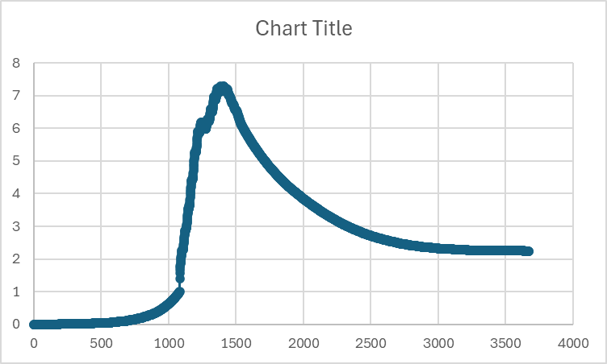
 |  |  |  | there is a check to limit LAI by SLA as well

 |  | if LAI is 1 or higher
 |  |  | if LAI is higher there is a transition to SLA limited growth but this transition occurs gradually based on the two approaches
 |  |  | at this stage, actual leaf area expansion is based on current leaf_dw + growth_dw - senescence (acounted for later) - the current LAI
 |  |  | there is a factor 'x' which is supposed to balance SLA limited expansion rate

 |  |  | thus with canopy close, leaf area increase Is meant to be related to increase in leaf dry weight as linked with SLA
 |  |  | SLA can change over time based on user specific values wrt DVS
 |  | growth is wonky looking
 | T stresses
 |  | number of cold days subsequent which exceeds a given value can result in crop death

 | development
 |  | uses bilinear rate with simulated hourly response, we moved to beta function with more realistic hourly T data simulation
 |  | developmental rates T and Pp Driven

 | water relationships | in ricesim
 |  |  | water demand comes from plant and evaporation from soil
 |  |  |  | evaporation from soil surface in 2DSOIL
 |  |  |  | transpiration from canopy in gas exchange
 |  |  | water supply comes at following time step
 |  |  |  | tries to satisfy uptake demand via lowering canopy bulk leaf water potential as needed to extract more water from drying soil
 |  |  |  | LWP continues to decline which in theory should close stomata, reducin Pnet and Transpiration

 |  |  | carbon allocated to the roots is also partitioning in horizontal and vertical cells in the soil based on preference factors
 |  |  |  | we track of too much CHO is used, or too little and adjust plant assimilate rate at following timestep to compensate
 |  |  | we use pre-dawn LWP as the hydraulic signal for both stomatal conductance and daily leaf expansion rate
 |  |  | in ORYZAE there is no affect of W stress on leaf senescence
 | nitrogen uptake
 |  | in ricesim
 |  |  | N uptake is based on passive (transpiration stream) and active (MM kinetics) at the root surface
 |  |  | There is a linkage with plant N demand that can exert some influence on the active uptake porition

 |  |  | N demand is then based on fractional N components dervied from look up tables versus DVS as well as current Ns tatus and new growth
 |  |  | A series of if/then cases are evaluated based on whether uptake N is sufficient or not to satisfy demand
 |  |  | In case of insufficiency, N can be translocated from leaf,stem, root for storage organ demand
 |  |  | In case of excess, N can be stored up to a certain N ratio in all organs

 |  |  | having issues with N uptake being much less than N in plant, not sure where yet.
 |  |  | N demand in organs goes basically to zero mid-way thru the sim

 | nitrogen relations
 |  | in ORYZA
 |  |  | there is an average specific leaf N content in the canopy based on DVS (NFLVTB)
 |  |  |  | this changes with DVS and can be used to estimate N requirements in the canopy?
 |  |  | light saturated rate of leaf CO2 assimilation (Amax) varies with leaf age, environment, genotype
 |  |  |  | depends on leaf N concent as well where leaf N higher than 0.5 g m-2 versus 0.2 g m-2 shows linearly relationships between and above his range
 |  |  | also distributes leaf N in the LAI depth
 |  |  |  | that is, the N profile follows exponential pattern in canopy which uses an extinction coefficient which changes on developmentl stage set to 0.4
 |  |  | to date, this is implemented as above by reducing Vcmax based on normalized response (see spreadsheet under improvements folder) from 0 to 1
 |  |  |  | minimum Vcmax is set to 10% of max value at leaf N < than 0.2 g m-2 or so while max occurs at 2 g N m-2
 |  |  |  | eventually I need to distribute N among sunlit / shaded LAI

 | nitrogen stress | In ORYZA | there are three N stresses, or N status influences, on the plant
 |  |  | Two are true stresses in that the deficiency of such reduces leaf area expansion and increases senescence weight
 |  |  | There is no C allocation adjustment at this time
 |  |  | The third influence is the relationshp of leaf N content and Pmax as indicated avove

 |  | in RICESIM
 |  |  | We follow similar approach with following adjustments
 |  |  |  | NSTRES on senescence rate and leaf growth rate is the ratio of availableN versus Ndemand, and scaled from 0 to 2
 |  |  |  | leaf N influence on Pmax is averaged among the canopy for either shaded or sunlit leaf

ToAdd
 | general things
 | revisit | gas exchanger dll
 | okay | x | some error in Sanai's estimate of Ko,Kc, using default rice values and original T response functions for Jmax, Vcmax, TPU
 |  |  |  | I did notice that during low LAI, sunlit/shade LAI seem strange (not much difference, which actually makeas sense, low LAI, means all is exposed canopy hasn' t closed)
 |  |  |  | Also, sanai has the three parameters changing as a functoin of DVS this causes earlier and later in the season some odd shapes responses, need to revisit at some point
 |  |  |  | revisit T response on vcmax, jmax, TPU
 |  |  |  |  | seems too impactful, particularly Jmax, throttling down photosynthetic rates mid-day due to temperatures, may be issues with other crop models too?

 | good |  | transpiration lookgs good, about 300 to 380 mm per m-2 season-1
 |  |  | water is 1 g cm-3 we use that and if we do the conversions it basically results in 380 mm for the season | all good (just divide total g H2o M-2 season by 1000 to get mm season-1)

 | good | mass balance looks fine
 |  |  | pnet, rtot, and dry mass gains and totals are with in < 1% errror for sample run I did
 |  |  | root dry mass difference between above ground versus 2DSOIl tracking slightly off. Reason is due to Rm and Rg being subtracted from root pool itself after carbon allocated.
 |  |  |  | to fix, will eventualy need to subtract out the respiratory costs at the time of organ growth estimates.

 | good | water uptake and balance

 | good | respiration
 |  |  | should substract Rg and Rm from assimilate pool first, and not from organ classes afterwards, as is creates mass balanceing issue between 2DSOIL root estimate and crop.dll
 |  |  | right now root Rg / Rm turned off

 | good | stem area index
 |  |  | have routine now to add stem area index into LAI for purpose of light interception
 |  |  | has a large influence, so limited this change to very small fraction of stem mass
 |  |  | at some point should reviist

 | okay | water stress
 |  |  | LWP functioning from soil to plant and vice versa appears to function
 |  |  | gs versus pre-dawn LWP implemented for gas exchange porcess
 |  |  | impact oon leaf exansion rate assocaited with pre-dawn LWP
 |  |  | root DM partitioning increased at cost of shoot prior to grainformation basedon pre-dawn LWP for leaf expansion
 |  |  | there is no affect of W stress on leaf senescence

 | good | wateruptake
 |  |  | appears to be okay
 |  |  | G01 pot and actual transpiration match fairly well
 | okay | leaf expansion
 |  |  | functional now but the plots versus time show large lag phase and then brief and high magnitude increase in area, seems unrealistic, need to revisi
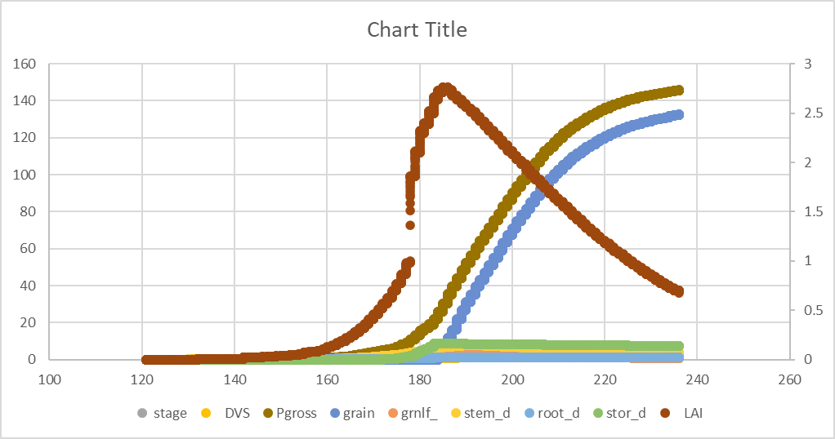
 |  |  | this is not due to water stress routine, same shape occurs whether it is stressed or not…
 |  |  | may be associated with dynamically varying SLA with DVS, seem too high at stages?

 | okay | nitrogen uptake and allocation
 |  |  | will need to evaluate N allocation components but appears functoinal for now

 | okay
 |  | nitrogen stress
 |  |  | added leaf senescence increase
 |  |  | added leaf expansion decrease
 |  |  | added N effect on photosynthesis by reducing Vcmax from 100 to 10% based on leaf N content per unit leaf area
 |  |  |  | see notes in code and in this worksheet under routines as well as improvement spreadsheet, needs testing
 |  |  | functional, should be tested
 |  |  | right now, surplus N goes into leaf pool , need to develop better approach, perhaps keep in root?

test direct/transplant options

migrate to 2DSOIL with flooding option

test seed density issues

handle sowing prior to end of calendar year (ORYZA uses seedling age to try to avoid this problem)

spikelet growth factor, total number of spikelets should be proportional to growth during PI and flowering (g m-2), not current biomass
 | from DVS 0.65 (PI) to DVS 1.0 (1st flower)
 | assimilates from stem reserves can be translocated

